Info & Additional Code
Note about Mobile Tags
If you have mobile tags, then add the following code to the VersaTag's code:
versaTag.mobile = 1; // is it a mobile device request (0-no / 1-yes)

Using VersaTag with Buttons
VersaTags can be fired and tracked when buttons are clicked. The process for setting VersaTags on buttons is as follows:

Note: No additional items need to be added to the main VersaTag code, unless additional parameters will be passed during the 'button' conversion. The options for both passing and not passing parameters during the conversion are described below.
Basic Scenario (No Parameters)
In the basic scenario, where no additional parameters need to be passed, the Webmaster must set the below script into the button/action code:
<script type="text/javascript">
versaTagObj.generateRequest("site.com/button1.htm");
</script>
The agency must then make up a 'simulated' URL for this button action (the 'site.com/button1.htm' part above), and the agency user should then assign the simulated URL to a mapping rule for this button in VersaTag.
NOTE: Simulated URL for each button is listed in the Notes section corresponding to each tag

Conversion Tag (with Parameters)
In a conversion tag scenario where an additional parameter(s) needs to be passed, the Webmaster must set the below script into the button/action code. In this example, the parameter is “pageName”, and its value is “new page name”.
<script type="text/javascript">
// set activity parameter value
versaTagObj.setActivityParam("pageName", "new page name");
// get the activity parameter value that was just set
var pageName = versaTagObj.getActivityParam("pageName");
alert(pageName);
// activate VersaTag to generate a server call and handle the server response
versaTagObj.generateRequest("site.com/button1.htm")
</script>

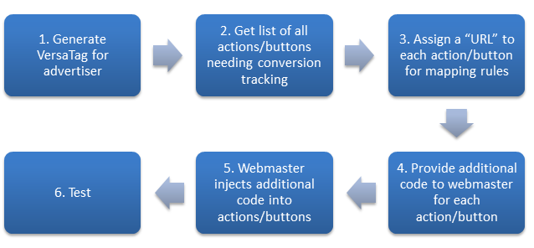

VersaTags can be integrated with Google Tag Manager.
To use VersaTag with Google Tag Manager:
1. Generate and configure the VersaTag code in the Sizmek MDX platform.
2. Send the VersaTag code to the Google Tag Manager administrator.
3. In Google Tag Manager, open the account, and create a tag for the VersaTag.
4. Name the tag “VersaTag”, and set the type to ‘Custom HTML Tag’. (Select Tag Type: Custom HTML Tag).
5. Paste the entire tag code (as configured by Sizmek), in the HTML box in Google Tag Manager.
6. Select the Support document.write checkbox. The VersaTag will not fire if this checkbox is not selected.
7. In the ‘Firing Rules’ section, set a default rule that will fire VersaTag on “all pages”.
8. Publish or save the tag.

Parameters
1. Stage: Familiarization, Planning, Goal Conversion
2. Price Value (sales tag)
3. Number of Nights (sales tag)

